Sheet1
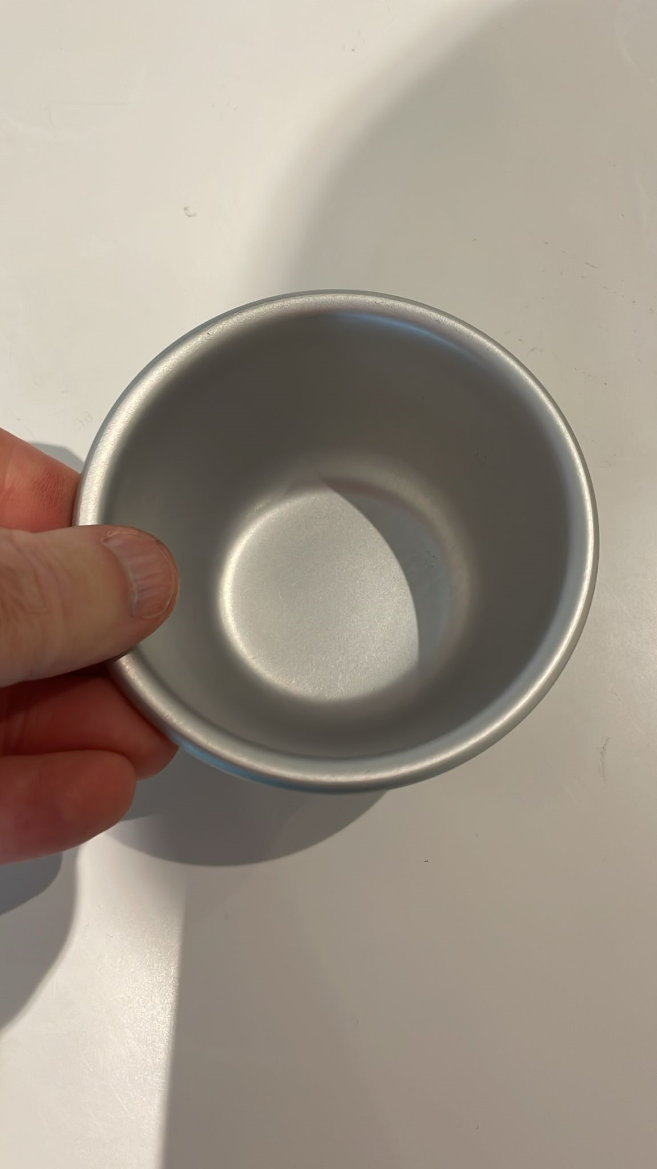
Item ID | Item Description | Pieces + / - 10% | Case Qty | TI | HI | Max Cases per Pallet | Max Pieces per Pallet | Number of Pallts | ART27 Pudding Mould | below…
ART 02TEFBLK 29 DUNNITS | 33cm Roaster Dish TEF/BLK 0.29 | 500 | 10 | 11 | 10 | 110 | 1100 | 1
ART03TINGRY29 | 38cm Large Roaster Tin 0.29 | 1,000 | 10 | 9 | 9 | 81 | 810 | 2
ART03BLKGRY29 | 38cm Large Roaster Dish BLK Interior/GRY Exterior 0.29 | 730 | 10 | 9 | 9 | 81 | 810 | 1
ART06BLKTEF38TES | 35cm Medium Tray Black Tef 0.38 Tesco | 3,200 | 10 | 11 | 10 | 110 | 1100 | 3
ART06NSRED29 | 35cm Medium Tray NS/Red 0.29 | 600 | 10 | 11 | 10 | 110 | 1100 | 1
ART07LBLKTEF38 | Ribbed Large Tray Black 38 | 1,500 | 8 | 9 | 9 | 81 | 648 | 3
ART08BLKTEF38 | 28cm Shepherds/Lasagne Dish Black Teflon 0.38 | 6,500 | 10 | 13 | 10 | 130 | 1300 | 5
ART11GRYBLK29DU | 18cm Sandwich Tin Black 0.29 Dunnits | 1,700 | 10 | 20 | 10 | 200 | 2000 | 1
ART11BLKBLK29UTS | 18cm Sandwich Tin Black 0.29 Utensa | 600 | 24 | 20 | 6 | 120 | 2880 | 1
ART13BBLKBLK29 | Pie Plate Black 0.29 | 7,000 | 40 | 15 | 5 | 75 | 3000 | 3
ART13BLKTEF38HL | Large Pizza Tray Black Teflon Hole 38 | 4,780 | 10 | 9 | 12 | 108 | 1080 | 5
ART13LBLKBLK29 | Large Pizza Tray Black 0.29 | 1,000 | 20 | 6 | 12 | 72 | 1440 | 1
ART19BLKTEF38HL | Large Chip Tray Tef Hole 0.38 | 6,930 | 15 | 6 | 8 | 48 | 720 | 10
ART20LNSGRY29 | Small Tray Crisper NS 0.29 | 1,600 | 15 | 13 | 10 | 130 | 1950 | 1
ART21TEFGRY29UTS | 24cm Flan & Insert Rimmed Teflon 0.29 | 5,500 | 8 | 11 | 10 | 110 | 880 | 7
ART23DTEFGRY29 | Dual Tray Teflon 0.29 | 4,300 | 20 | 6 | 6 | 36 | 720 | 6
ART 27 SILVER | Pudding Mould | 70,000 | 500 | 10 | 2 | 20 | 10000 | 7
ART34BNDTEFGRY40UTS | 26CM SPRINGFORM INS & BUNDT SET | 1,300 | 9 | 5 | 5 | 25 | 225 | 6
ART57TEFGRY50HL | 18cm Sandwich Tin Teflon Hole | 430 | 6 | 16 | 3 | 48 | 288 | 2
ART58TEFGRY50HL | HG Deep Cake Tin LB HOLE Teflon | 700 | 4 | 9 | 5 | 45 | 180 | 4
ART61TEFGRY50 | HG Loaf Tin Teflon | 4,000 | 10 | 8 | 8 | 64 | 640 | 7
 | McCains 35cm Deep Roaster | 4,000 | 7 | 11 | 10 | 110 | 770 | 6
 | Slimming World 38cm Oven Tray | 8,000 | 10 | 9 | 9 | 81 | 810 | 10

 | Totals | 135,870

